Sheet1
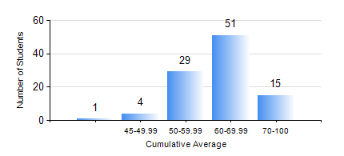
 |  |  | KWAME NKRUMAH UNIVERSITY OF SCIENCE AND TECHNOLOGY, KUMASI Department of Materials Engineering

 |  |  | BSC. METALLURGICAL ENG.

 |  |  | COMPREHENSIVE RECORD OF EXAMINATION RESULTS

 |  |  | RESULTS OF YEAR 4 FIRST SEMESTER, 2021/2022 ACADEMIC YEAR

 | Sn | Course Code |  | Course Name | Credit Hours | Min. Mark | Max. Mark | Avg. Mark | Std. Dev. | No. Passed | No. Trailed | No. (Df) | No. (I) | No. (I*) | No. Tagged(I,I*,Df) | Total
 | 0. |  |  |  |  |  |  | 0 | 0 | 0 | 0 | 0 | 0 | 0 | 0 | 3
 | 1. | ME 491 |  | ENGINEERING ECONOMY AND MANAGEMENT | 3 | 35 | 79 | 60 | 9.17 | 96 | 1 | 0 | 0 | 0 | 0 | 97
 | 2. | METE 451 |  | METALLURGICAL PLANT DESIGN/OPERATIONS | 3 | 37 | 82 | 58 | 8.65 | 96 | 1 | 0 | 0 | 0 | 0 | 97
 | 3. | METE 453 |  | HYDROMETALLURGY OF LIGHT METALS | 2 | 27 | 82 | 62 | 9.99 | 95 | 2 | 0 | 0 | 0 | 0 | 97
 | 4. | METE 455 |  | VACATION TRAINING | 2 | 50 | 95 | 76 | 10.28 | 97 | 0 | 0 | 0 | 0 | 0 | 97
 | 5. | METE 457 |  | CORROSION AND CORROSION CONTROL | 3 | 33 | 93 | 65 | 13.08 | 95 | 2 | 0 | 0 | 0 | 0 | 97
 | 6. | METE 497 |  | PROJECT I | 3 | 50 | 87 | 70 | 7.8 | 97 | 0 | 0 | 0 | 0 | 0 | 97
 | 7. | MSE 257 |  | INDIGENOUS PROCESSING | 1 | 67 | 67 | 67 | 0 | 1 | 0 | 0 | 0 | 0 | 0 | 1
 | 8. | MSE 457 |  | METALWORKING PROCESSES | 3 | 40 | 97 | 71 | 13.53 | 97 | 0 | 0 | 0 | 0 | 0 | 97

